2014-2015 Sales
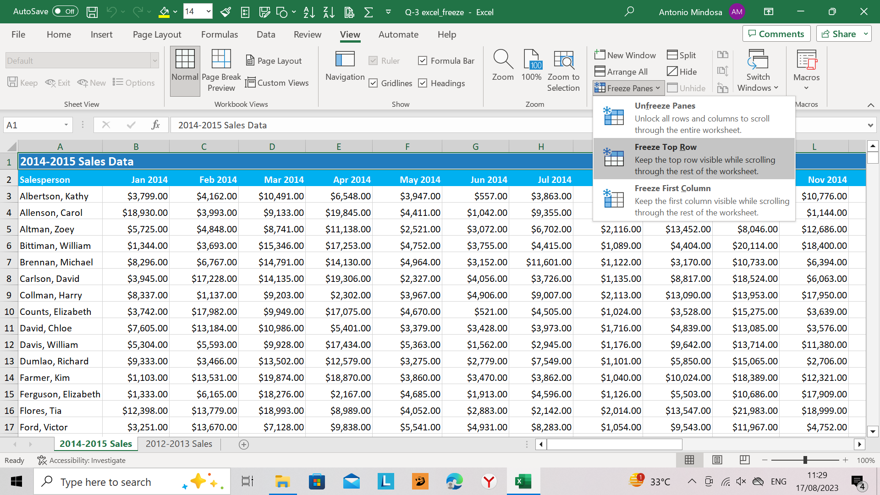
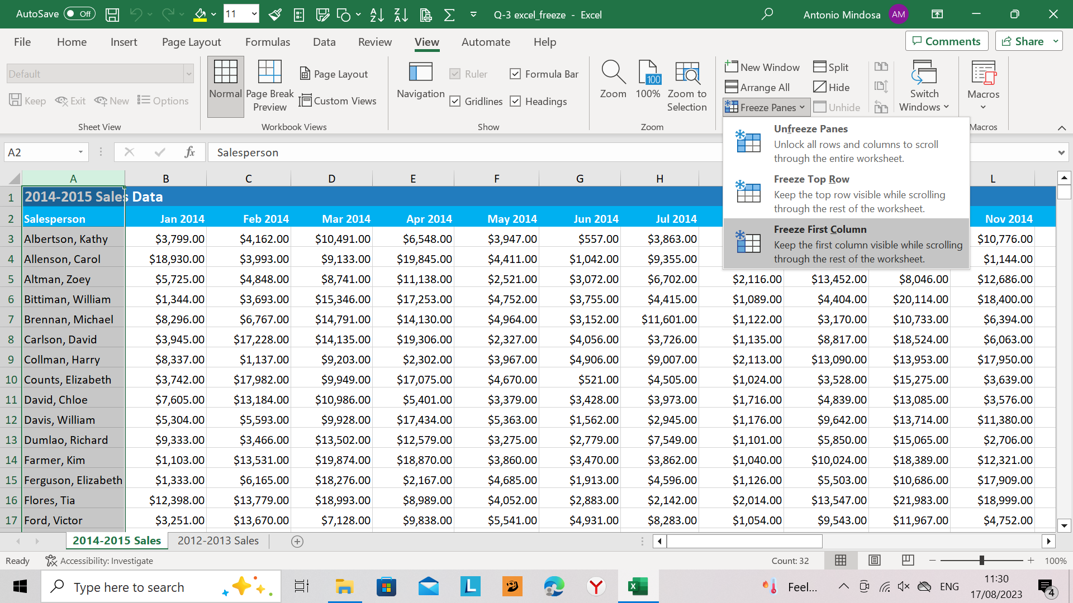
2014-2015 Sales Data
Salesperson | 2014-01-01 | 2014-02-01 | 2014-03-01 | 2014-04-01 | 2014-05-01 | 2014-06-01 | 2014-07-01 | 2014-08-01 | 2014-09-01 | 2014-10-01 | 2014-11-01 | 2014-12-01 | 2015-01-01 | 2015-02-01 | 2015-03-01 | 2015-04-01 | 2015-05-01 | 2015-06-01
Albertson, Kathy | $3,799.00 | $4,162.00 | $10,491.00 | $6,548.00 | $3,947.00 | $557.00 | $3,863.00 | $1,117.00 | $8,237.00 | $8,690.00 | $10,776.00 | $16,904.00 | $15,367.00 | $7,274.00 | $8,624.00 | $4,264.00 | $11,627.00 | $9,211.00
Allenson, Carol | $18,930.00 | $3,993.00 | $9,133.00 | $19,845.00 | $4,411.00 | $1,042.00 | $9,355.00 | $1,100.00 | $10,185.00 | $18,749.00 | $1,144.00 | $9,777.00 | $10,740.00 | $7,214.00 | $18,932.00 | $2,310.00 | $18,072.00 | $6,944.00
Altman, Zoey | $5,725.00 | $4,848.00 | $8,741.00 | $11,138.00 | $2,521.00 | $3,072.00 | $6,702.00 | $2,116.00 | $13,452.00 | $8,046.00 | $12,686.00 | $8,065.00 | $13,478.00 | $13,504.00 | $4,912.00 | $19,032.00 | $2,651.00 | $9,401.00
Bittiman, William | $1,344.00 | $3,693.00 | $15,346.00 | $17,253.00 | $4,752.00 | $3,755.00 | $4,415.00 | $1,089.00 | $4,404.00 | $20,114.00 | $18,400.00 | $18,373.00 | $3,424.00 | $16,907.00 | $1,561.00 | $9,611.00 | $14,909.00 | $15,173.00
Brennan, Michael | $8,296.00 | $6,767.00 | $14,791.00 | $14,130.00 | $4,964.00 | $3,152.00 | $11,601.00 | $1,122.00 | $3,170.00 | $10,733.00 | $6,394.00 | $6,272.00 | $6,065.00 | $11,845.00 | $18,982.00 | $13,653.00 | $14,974.00 | $10,053.00
Carlson, David | $3,945.00 | $17,228.00 | $14,135.00 | $19,306.00 | $2,327.00 | $4,056.00 | $3,726.00 | $1,135.00 | $8,817.00 | $18,524.00 | $6,063.00 | $7,361.00 | $19,216.00 | $12,528.00 | $15,481.00 | $5,093.00 | $13,608.00 | $8,936.00
Collman, Harry | $8,337.00 | $1,137.00 | $9,203.00 | $2,302.00 | $3,967.00 | $4,906.00 | $9,007.00 | $2,113.00 | $13,090.00 | $13,953.00 | $17,950.00 | $10,806.00 | $8,454.00 | $9,938.00 | $3,793.00 | $11,299.00 | $17,917.00 | $12,387.00
Counts, Elizabeth | $3,742.00 | $17,982.00 | $9,949.00 | $17,075.00 | $4,670.00 | $521.00 | $4,505.00 | $1,024.00 | $3,528.00 | $15,275.00 | $3,639.00 | $12,801.00 | $9,037.00 | $16,489.00 | $8,026.00 | $5,367.00 | $6,729.00 | $15,986.00
David, Chloe | $7,605.00 | $13,184.00 | $10,986.00 | $5,401.00 | $3,379.00 | $3,428.00 | $3,973.00 | $1,716.00 | $4,839.00 | $13,085.00 | $3,576.00 | $19,673.00 | $17,010.00 | $3,812.00 | $7,787.00 | $11,646.00 | $11,085.00 | $9,286.00
Davis, William | $5,304.00 | $5,593.00 | $9,928.00 | $17,434.00 | $5,363.00 | $1,562.00 | $2,945.00 | $1,176.00 | $9,642.00 | $13,714.00 | $11,380.00 | $11,534.00 | $6,462.00 | $15,861.00 | $18,246.00 | $18,059.00 | $16,578.00 | $7,250.00
Dumlao, Richard | $9,333.00 | $3,466.00 | $13,502.00 | $12,579.00 | $3,275.00 | $2,779.00 | $7,549.00 | $1,101.00 | $5,850.00 | $15,065.00 | $2,706.00 | $3,805.00 | $7,579.00 | $8,579.00 | $16,917.00 | $10,951.00 | $5,141.00 | $18,489.00
Farmer, Kim | $1,103.00 | $13,531.00 | $19,874.00 | $18,870.00 | $3,860.00 | $3,470.00 | $3,862.00 | $1,040.00 | $10,024.00 | $18,389.00 | $12,321.00 | $18,891.00 | $18,654.00 | $10,062.00 | $19,581.00 | $10,915.00 | $10,729.00 | $1,641.00
Ferguson, Elizabeth | $1,333.00 | $6,165.00 | $18,276.00 | $2,167.00 | $4,685.00 | $1,913.00 | $4,596.00 | $1,126.00 | $5,503.00 | $10,686.00 | $17,909.00 | $5,505.00 | $17,735.00 | $18,574.00 | $12,400.00 | $8,608.00 | $14,501.00 | $8,208.00
Flores, Tia | $12,398.00 | $13,779.00 | $18,993.00 | $8,989.00 | $4,052.00 | $2,883.00 | $2,142.00 | $2,014.00 | $13,547.00 | $21,983.00 | $18,999.00 | $15,346.00 | $15,362.00 | $1,569.00 | $14,914.00 | $10,992.00 | $11,280.00 | $15,446.00
Ford, Victor | $3,251.00 | $13,670.00 | $7,128.00 | $9,838.00 | $5,541.00 | $4,931.00 | $8,283.00 | $1,054.00 | $9,543.00 | $11,967.00 | $4,752.00 | $17,355.00 | $10,214.00 | $15,276.00 | $13,774.00 | $8,111.00 | $1,380.00 | $4,748.00
Hodges, Melissa | $4,624.00 | $14,772.00 | $19,830.00 | $6,303.00 | $5,667.00 | $4,798.00 | $8,420.00 | $1,389.00 | $10,468.00 | $12,677.00 | $2,840.00 | $6,298.00 | $12,813.00 | $3,973.00 | $14,246.00 | $14,454.00 | $4,699.00 | $9,647.00
Jameson, Robinson | $2,552.00 | $1,627.00 | $4,382.00 | $9,083.00 | $4,269.00 | $4,459.00 | $2,248.00 | $1,058.00 | $6,267.00 | $14,982.00 | $14,605.00 | $2,666.00 | $19,145.00 | $17,752.00 | $1,603.00 | $7,006.00 | $6,604.00 | $10,585.00
Kellerman, Frances | $4,281.00 | $7,375.00 | $17,730.00 | $19,998.00 | $3,502.00 | $4,172.00 | $11,074.00 | $1,282.00 | $2,365.00 | $9,380.00 | $19,412.00 | $10,503.00 | $8,645.00 | $8,409.00 | $1,422.00 | $16,004.00 | $16,958.00 | $10,902.00
Mark, Katharine | $4,679.00 | $3,058.00 | $1,497.00 | $5,722.00 | $5,853.00 | $2,011.00 | $3,807.00 | $1,348.00 | $11,110.00 | $18,047.00 | $7,311.00 | $15,323.00 | $16,200.00 | $6,332.00 | $19,506.00 | $8,535.00 | $17,382.00 | $3,231.00
Morrison, Thomas | $2,485.00 | $7,810.00 | $15,340.00 | $7,973.00 | $2,586.00 | $2,398.00 | $2,453.00 | $1,020.00 | $4,612.00 | $20,525.00 | $19,540.00 | $7,900.00 | $6,491.00 | $10,079.00 | $15,947.00 | $10,588.00 | $2,191.00 | $16,987.00
Moss, Pete | $8,386.00 | $11,051.00 | $13,733.00 | $16,288.00 | $5,714.00 | $4,960.00 | $11,507.00 | $1,010.00 | $6,599.00 | $11,626.00 | $5,319.00 | $6,976.00 | $17,758.00 | $7,480.00 | $19,679.00 | $5,003.00 | $3,215.00 | $18,439.00
Paul, Henry David | $14,226.00 | $2,651.00 | $10,663.00 | $15,453.00 | $5,347.00 | $4,060.00 | $7,056.00 | $1,555.00 | $5,439.00 | $15,285.00 | $9,842.00 | $15,933.00 | $17,191.00 | $6,701.00 | $8,730.00 | $7,486.00 | $3,646.00 | $14,720.00
Post, Melissa | $18,252.00 | $11,534.00 | $16,895.00 | $4,554.00 | $4,222.00 | $3,317.00 | $5,849.00 | $2,081.00 | $10,521.00 | $18,979.00 | $15,139.00 | $13,154.00 | $8,387.00 | $12,637.00 | $12,904.00 | $2,278.00 | $12,659.00 | $7,674.00
Robinson, Betty | $8,548.00 | $7,020.00 | $11,442.00 | $18,930.00 | $5,929.00 | $3,127.00 | $7,971.00 | $1,114.00 | $2,686.00 | $24,099.00 | $4,467.00 | $15,755.00 | $9,737.00 | $7,806.00 | $8,895.00 | $1,892.00 | $15,434.00 | $9,598.00
Shadow, Elizabeth | $9,945.00 | $5,296.00 | $6,821.00 | $13,982.00 | $4,270.00 | $4,263.00 | $4,999.00 | $1,052.00 | $2,399.00 | $8,924.00 | $6,682.00 | $19,393.00 | $16,609.00 | $11,825.00 | $1,653.00 | $9,176.00 | $12,624.00 | $13,914.00
Smith, Harold | $4,761.00 | $7,403.00 | $6,749.00 | $11,507.00 | $5,421.00 | $4,728.00 | $7,158.00 | $1,116.00 | $4,276.00 | $13,907.00 | $10,606.00 | $17,174.00 | $11,717.00 | $1,876.00 | $12,535.00 | $19,307.00 | $2,867.00 | $6,394.00
Thomas, Robert | $9,865.00 | $15,226.00 | $14,401.00 | $9,031.00 | $3,259.00 | $3,679.00 | $8,406.00 | $2,123.00 | $14,697.00 | $16,827.00 | $10,922.00 | $9,646.00 | $8,703.00 | $14,601.00 | $14,841.00 | $13,340.00 | $10,684.00 | $4,229.00
Thompson, Shannon | $15,487.00 | $9,722.00 | $14,210.00 | $2,042.00 | $2,943.00 | $3,943.00 | $11,987.00 | $1,183.00 | $3,071.00 | $11,292.00 | $5,787.00 | $12,853.00 | $4,725.00 | $16,903.00 | $12,573.00 | $7,091.00 | $7,928.00 | $8,305.00
Walters, Chris | $4,885.00 | $2,018.00 | $17,498.00 | $14,657.00 | $5,529.00 | $4,925.00 | $3,122.00 | $1,629.00 | $14,684.00 | $20,871.00 | $11,431.00 | $4,224.00 | $10,985.00 | $6,097.00 | $19,779.00 | $10,209.00 | $1,422.00 | $11,891.00
Zimmerman, Kate | $7,956.00 | $9,423.00 | $8,701.00 | $11,459.00 | $2,380.00 | $3,247.00 | $11,956.00 | $1,156.00 | $3,098.00 | $8,531.00 | $18,245.00 | $7,416.00 | $12,834.00 | $13,555.00 | $13,467.00 | $11,006.00 | $3,755.00 | $9,682.00

 | Freezing Top Row |  |  |  |  |  |  | Freezing First Column

